Service Invoice
 |  |  |  | INVOICE NO. | 5010
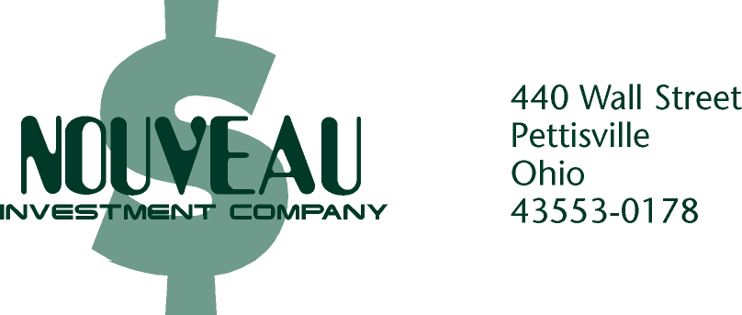
 |  |  | SERVICE
 |  |  | INVOICE
 |  |  | BILL DATE
 | TO:
 | Andrew Nunn |  | July 24--

 | DESCRIPTION |  |  |  | AMOUNT
 | AMD $87.50/Share (21 purchased) |  |  |  | $1,957.49
 | Commision (.5%) |  |  |  | $9.19

 |  |  | SUBTOTAL |  | $1,966.68

 |  |  | 6% SALES TAX If Applicable |  | $118.00
 |  | Manager’s Signature | TOTAL DUE |  | $2,084.68

 | TERMS: DUE UPON RECEIPT |  |  | FALSE

PLEASE DETACH ALONG DASHED LINE AND RETURN THE BOTTOM PORTION WITH YOUR REMITTANCE.

 | FROM: |  |  | INVOICE NO. | 5010
 | Andrew Nunn
 | 0 |  | BILL DATE |  | AMOUNT DUE
 | 0 |  | July 24-- |  | $2,084.68

PLEASE MAKE CHECKS PAYABLE TO: |  |  | REMITTANCE ADVICE
 |  |  | Please write your invoice number on your check to ensure proper credit and mail it with this stub.
 | NOUVEAU INVESTMENT COMPANY
 | 440 Wall Street |  | AMOUNT ENCLOSED
 | Pettisville, OH 43553-0178

 |  |  | TERMS: DUE UPON RECEIPT

